SUMMARY
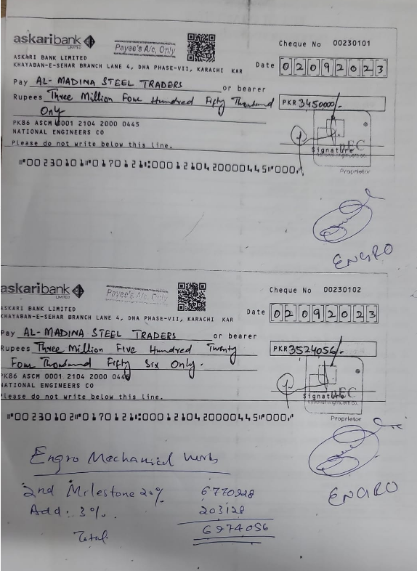
FIRST RUNNING BILL OF ENGRO OFFICE, THIRD FLOOR, THF, KHI
SUMMARY OF AMOUNT

S.NO | DESCRIPTION | AMOUNT
1 | HVAC | 9,596,139
2 | FIRE FIGHTING | 4,229,960
3 | PLUMBING | 650,320
4 | BMS | 21,750
5 | Variation amount (03 Nos) | 959,690
 | GRAND TOTAL AMOUNT | 15,457,858

 | Add 4.5% | 695,604
 | Grand total | 16,153,462
 | Received | 12,898,454
 | Receivalbe Amount | 3,255,008

